Nomination Form
 |  |  | 0 | 0 | 0 | 0 | 0 | 0 | 0 | 0 | 0 | 0 | 0 | 0 | 0 | 0 | 0 | 0 | 0 | 0 | 0 | 0 | 0 | 0 | 0 | 0 | 0 | 0 | 0
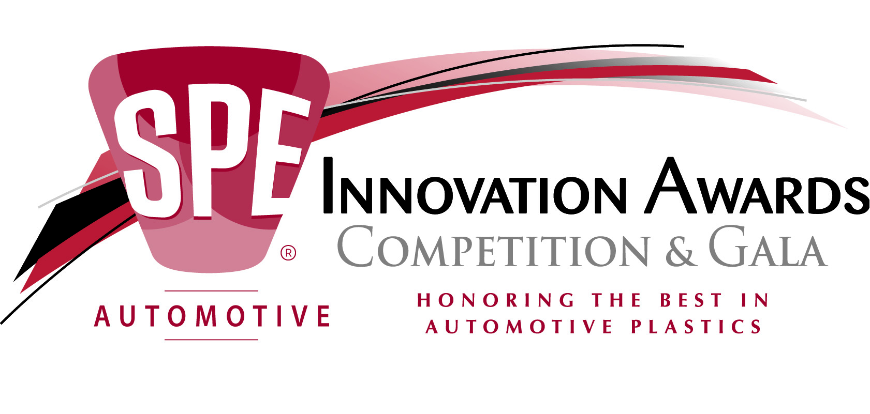

 |  |  | Instructions for Submitting Nominations
 |  |  | SPE Automotive Division
 |  |  | "Most Innovative Use of Plastics"

1) | Nominations will be judged on the impact and trend-setting nature of the application. Innovation in any area of application will be considered, including:
Design
Manufacturing
Integration
Engineering
Assembly
Weight and Cost Reduction

2) | Nominations must be received no later than September 15 of this year. The nomination form, and the innovation description form, must be filled out completely and legibly. Incomplete or unclear information may result in disqualification of your nomination.

3) | Nominations can be made by anyone knowledgeable of the achievement. Select the category you feel best suits the innovation; however, the Awards Committee reserves the right to recategorize nominations. Categories may be added or deleted depending on the quality and type of nominations received.

* Parts that are shipped from outside the U.S. are the sole responsibility of the nominating
company and the nominating company assumes COMPLETE RESPONSIBILITY for the following:
- Shipping costs and logistics.
- ON-TIME arrival of parts for judging.
- All customs issues including costs, security, insurance, information requests, etc.
* SPE is not responsible in any way for parts being submitted for judging so please ensure that you fully and
completely understand customs issues to ensure on-time arrival of your part for judging.
* The SPE Automotive Division recommends that you arrange to have your part arrive by September 26, for first
stage judging.
4) | Nominations will be verified by Email within 5 working days. If you do not receive confirmation after 5 days, it is your responsibility to contact us at (248) 244-8993. You are required to submit one (1) representative part, which becomes the property of SPE. Additional parts may be requested for display, publicity, or other promotional purposes. Parts must be sent to: Celanese Corp, 2600 North Opdyke Rd.,Auburn Hills, MI 48326-1940 between 8:30 a.m. and 4:00 p.m. Please call phone: (248) 377-2700 to confirm.

5) | All correspondence for presentations, additional information etc. will be directed to the person making the nomination.

6) | Judging will be done in two stages. Finalists in each category will be selected by vote of the SPE Automotive Division Board of Directors. The winner in each category, including the Grand Award Winner, will be determined by vote of a Blue Ribbon Panel, composed of media who write for trade publications as well as industry experts.

7) | If your nomination is accepted, it is highly recommended that you present your nomination to the Board of Directors, and if you become a finalist, to the Blue Ribbon Panel. You will be notified of meeting times and locations.

8) | The SPE Automotive Division reserves the right to publish information and claims on nominations received, as well as publish photos or artwork received or taken to illustrate nominated parts and processes.

 | How to submit your nomination to the SPE Automotive Division:

 | Fill out the Nomination Form and Innovation Description in this EXCEL workbook.
 | Email completed form to awards@speautomotive.com
 | An electronic version of this form is available at www.speautomotive.com

 | 2016 Key Dates:
 | September 15 - Deadline for submission of nominations, Parts Due September 26.
 | September 26 - Notification of time and date for presentation to SPE Board of Directors.
 | September 29 & 30 - Presentations to SPE Board of Directors, Location: Celanese Corp, Auburn Hills, MI
 | October 10 - Presentations to Blue Ribbon Panel, Location: Celanese Corp, Auburn Hills, MI
 | November 9 - SPE Automotive Division Innovation Awards Program - Burton Manor, Livonia, MI.

 |  |  | Parts Competition Nomination Form for SPE Automotive Division "Most Innovative Use of Plastics"

Application must be on a vehicle AVAILABLE FOR CONSUMER PURCHASE prior to NOVEMBER 1 in the year of the nomination.

 | Nominations must be received no later than September 15 of this year. This Nomination Form and the Innovation Description Form must be filled out completely and legibly. Incomplete or unclear information may result in disqualification of your nomination.

 | Name of Application:

 |  |  |  | Recommended category for most innovative nomination (Please check one):

 | ** Enabling technologies include innovative technologies, methodologies, or practices that support the overall application development process. |  |  |  | * Hall of Fame award will be presented for an innovative application that stood the test of time, being in continuous production for over 10 years.

 | Vehicle Manufacturer: |  |  |  |  | Model Year or date application in production:

 | Model Name:
 |  |  |  | This box must be checked !

 | System Supplier: |  |  | Contact Name: |  | Phone:

 | Molder/Processor: |  |  | Contact Name: |  | Phone:

 | Toolmaker: |  |  | Contact Name: |  | Phone:

 | Material Supplier: |  |  | Contact Name: |  | Phone:

 | Generic resin type: |  |  | Resin Trade Name |  | Grade:

OEM representative to be recognized

 | Name: |  |  | Phone:
 | Title:

OEM permission for the nomination has been obtained: |  |  |  |  | If no, permission must be obtained before
 |  |  |  |  | presentation to SPE Board of Directors
Individual Making Nomination:

 | Your Name: |  |  | Phone:
 | Company Name:
 | Address: |  |  | E-Mail:
 | City, State, ZIP:
Note: The person making the nomination will be the primary contact for SPE. All correspondence will be sent to you, and it is your responsibility to notify all members of your team about event dates and other requirements!
Email completed file to:
awards@speautomotive.com

Nominations will be verified via email, along with instructions
on where to send representative parts for the judging process

If you have questions, or need additional information, call Kevin Pageau (248-835-4999).

 |  |  |  | Innovation Description Form for SPE Automotive Division "Most Innovative Use of Plastics" Competition

 |  |  | Name of Application: | 0
 |  | Submitted by: |  | 0
 | Category Selected for Nomination:

 | This form will help the nominations committee fully understand and evaluate your nomination. The information will be used for the program guide and awards ceremony. Please complete this form in its entirety. Incomplete or unclear information may result in disqualification of your nomination or placement in a category in which it may not compete well.

1) | What is the single most unique or innovative feature of this application?

2) | Enter other innovative features of this application not described in Question 1.

3) | What plastic forming/molding process is used to produce this part?

4) | Is this the first time this process was used to produce this type of component?

5) | Describe the materials, processes, or methods previous used for this application.

6) | Describe any special tooling innovations required to produce this part.

7) | Describe any special material developments required.

8) | Estimate the weight savings achieved versus previous or alternative manufacturing methods (lbs/grams or %)

9) | Estimate the direct cost saving associated with the application. Specify in $ or %.

10) | Estimate the indirect and/or cost avoidance savings associated with the application.

11) | Does this application result in any direct consumer benefit, such as reduced interior noise, higher engine horsepower, etc. If yes, please describe:

12) | Can this application be translated to other OEM's and/or vehicle lines, or it a unique application.

13) | Describe any SIGNIFICANT direct safety benefits.

14) | Describe any SIGNIFICANT direct or indirect environmental benefits.

15) | Please enter any additional information you believe the nomination committee should consider.

